1606
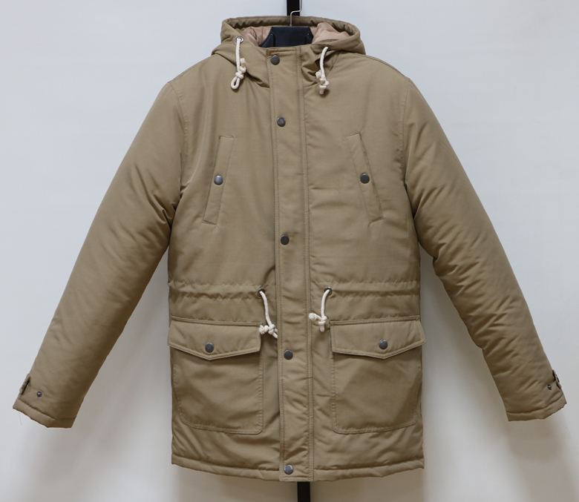
MEN LONG COAT |  |  |  |  |  | style#1609
QTY:3180PCS
SIZE SPEC(CM) |  |  |  |  |  | Fabric
 | M | L | XL | XXL |  | Shell | 100% cotton
1/2 CHEST | 59 | 61 | 64 | 67 |  | Lining | Polyester 210T
1/2 HEM | 56 | 58 | 61 | 64 |  | Padded | Polyfill,140gms
B.C LENGTH | 80 | 82 | 84 | 86 |  | g.w/ctn | 17.5 kgs
SLV.LENGTH | 67 | 69 | 71 | 72 |  | N.w/ctn | 16.5 kgs
RATIO | 1 | 2 | 2 | 1 |  | MEAS. | 60×38×70 cm
Quantity Breakdown |  |  |  |  |  | PACKING
COLORS/SIZE | M | L | XL | XXL | QTY | FULL SIZES,SOLID COLOR
BLACK | 280 | 560 | 560 | 280 | 1680 | 18PCS/CTNS
BEIGE | 250 | 500 | 500 | 250 | 1500 | PRICE: | 12.50$ FOB XM
 |  |  | TOTAL QTY: |  | 3180 | (To change labels +0.25$)

